Charts
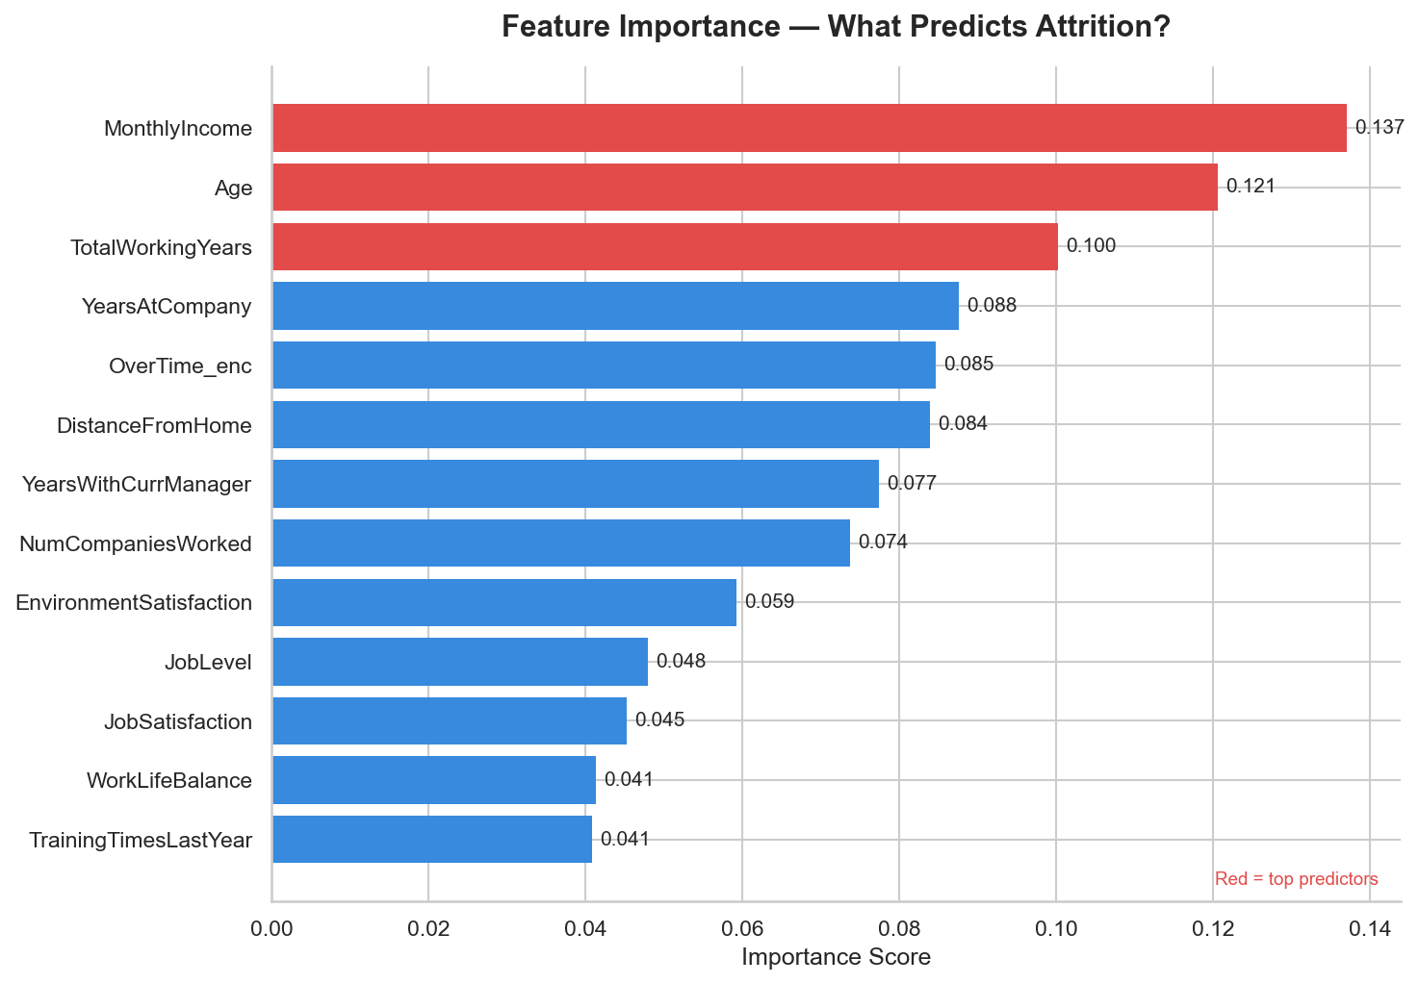
IBM HR ATTRITION — VISUAL ANALYSIS

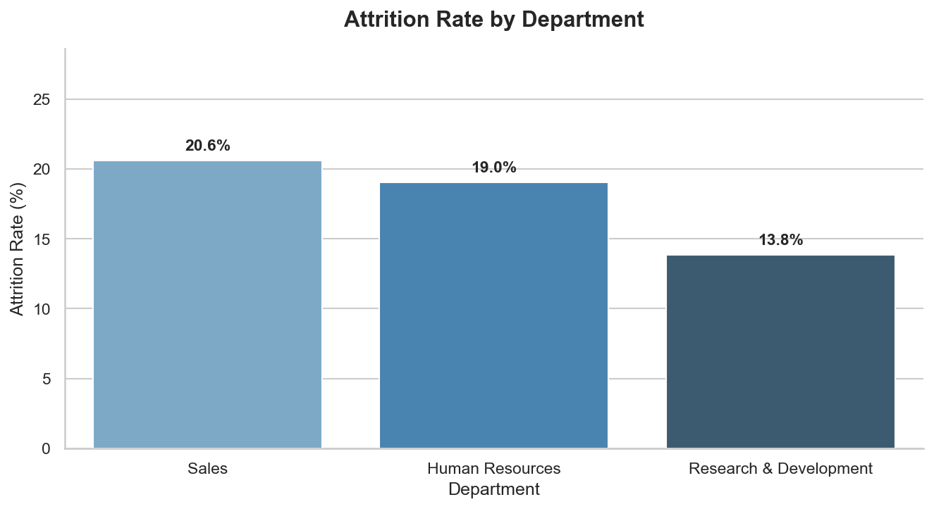
Attrition by Department
 | Attrition by Role

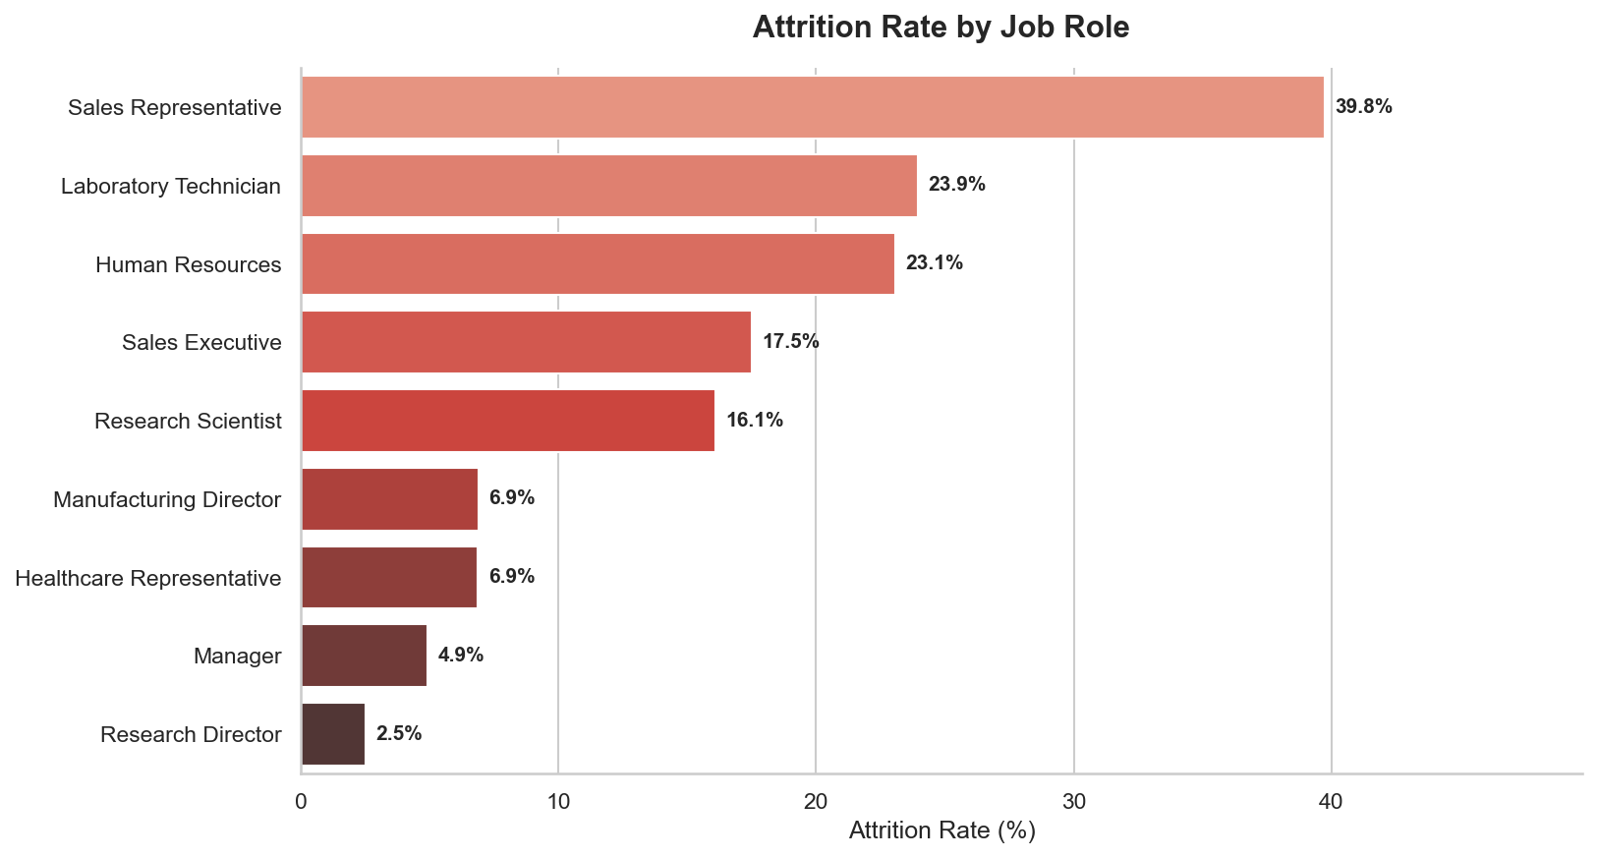

Salary Distribution

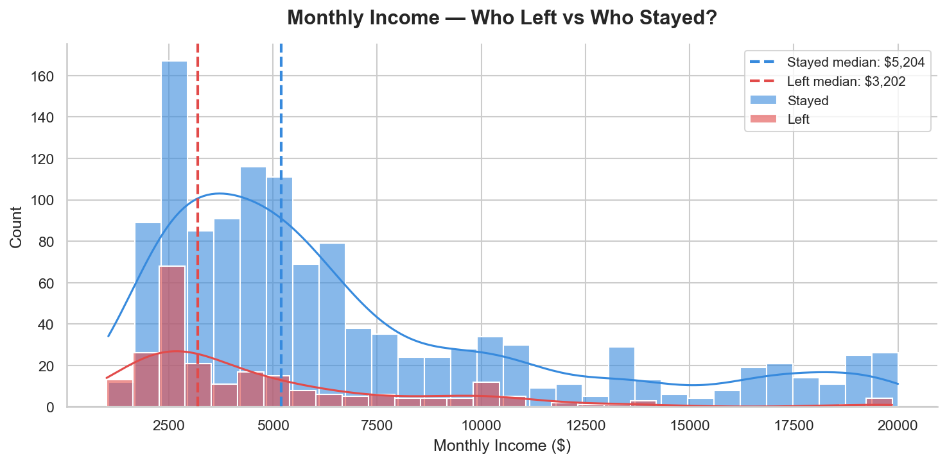
 |  | Overtime vs Attrition
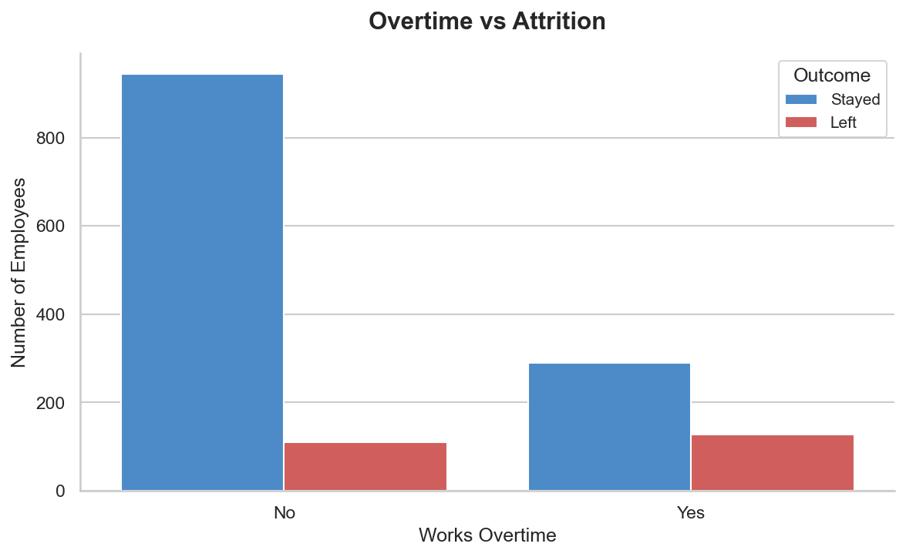

Satisfaction Scores
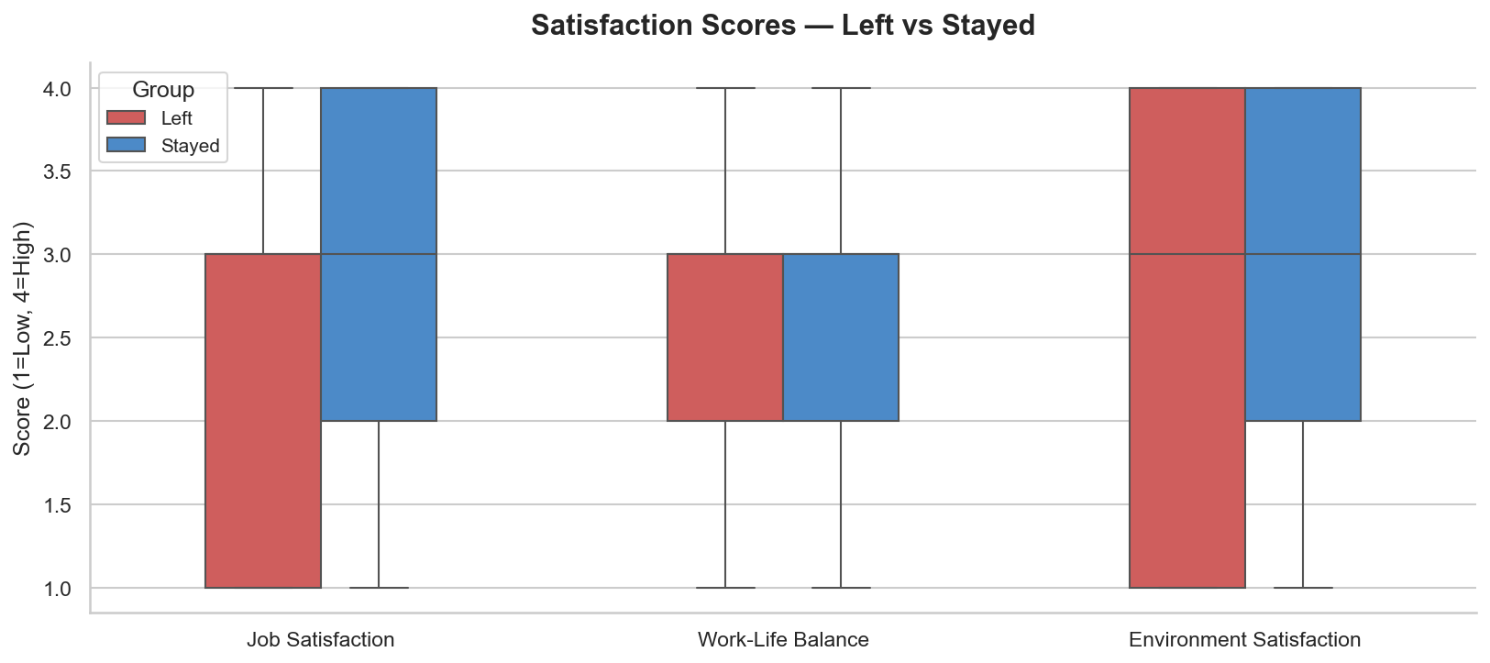
 |  | ML Feature Importance

